Sheet1
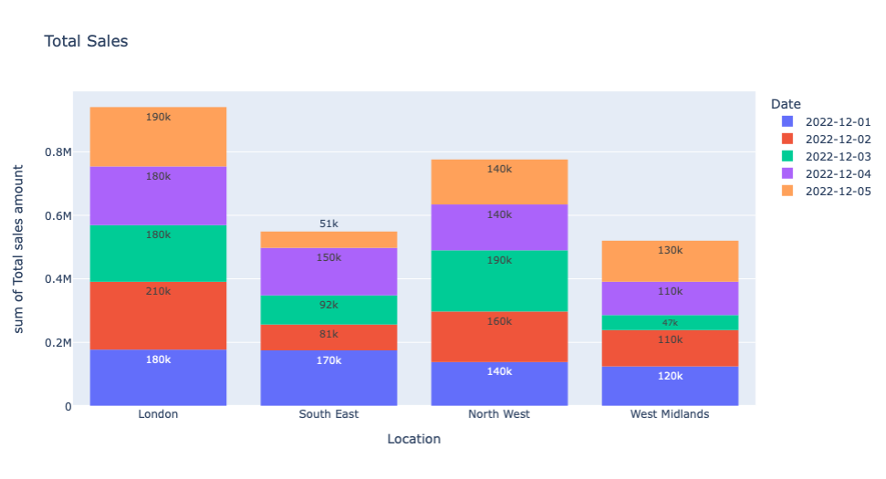
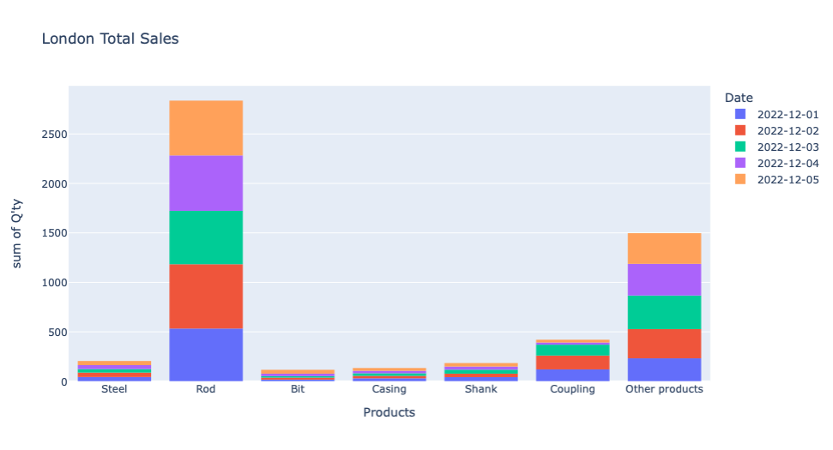
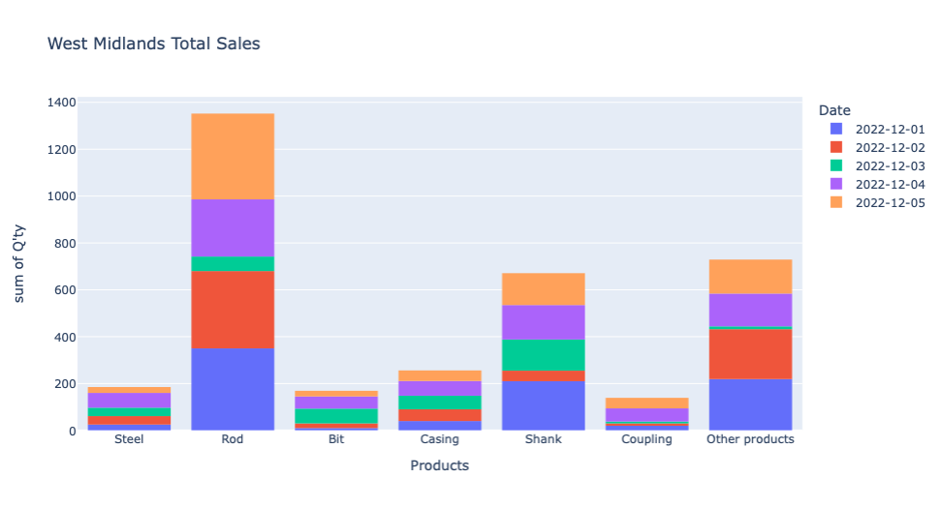
GoodSales Weekly Report (Dec 1 - Dec 5 2022) | Report by Haewon Sim
Distribution: London, South East, North West, West Midlands

